Sheet1
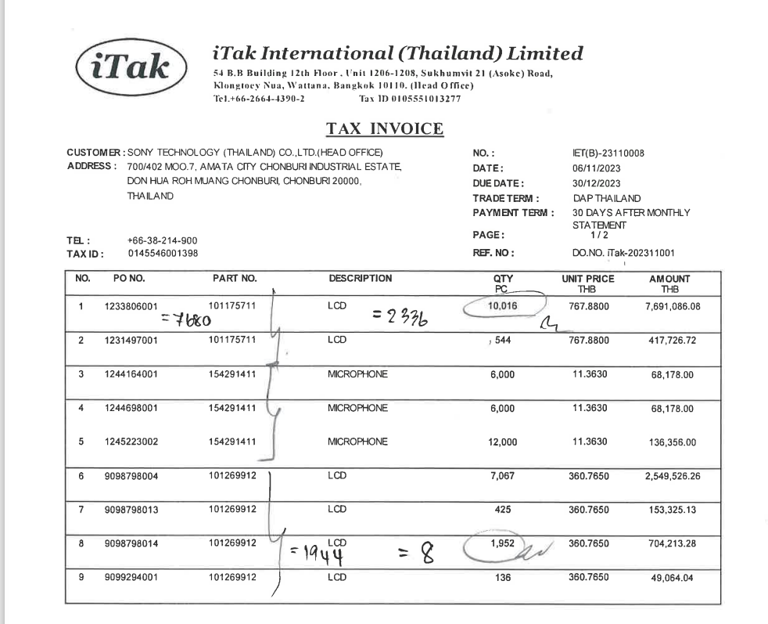

INVOICE_NO

PO_NO
ITEM_NO
QTY
UNIT_PRICE
AMOUNT

